Application Screen
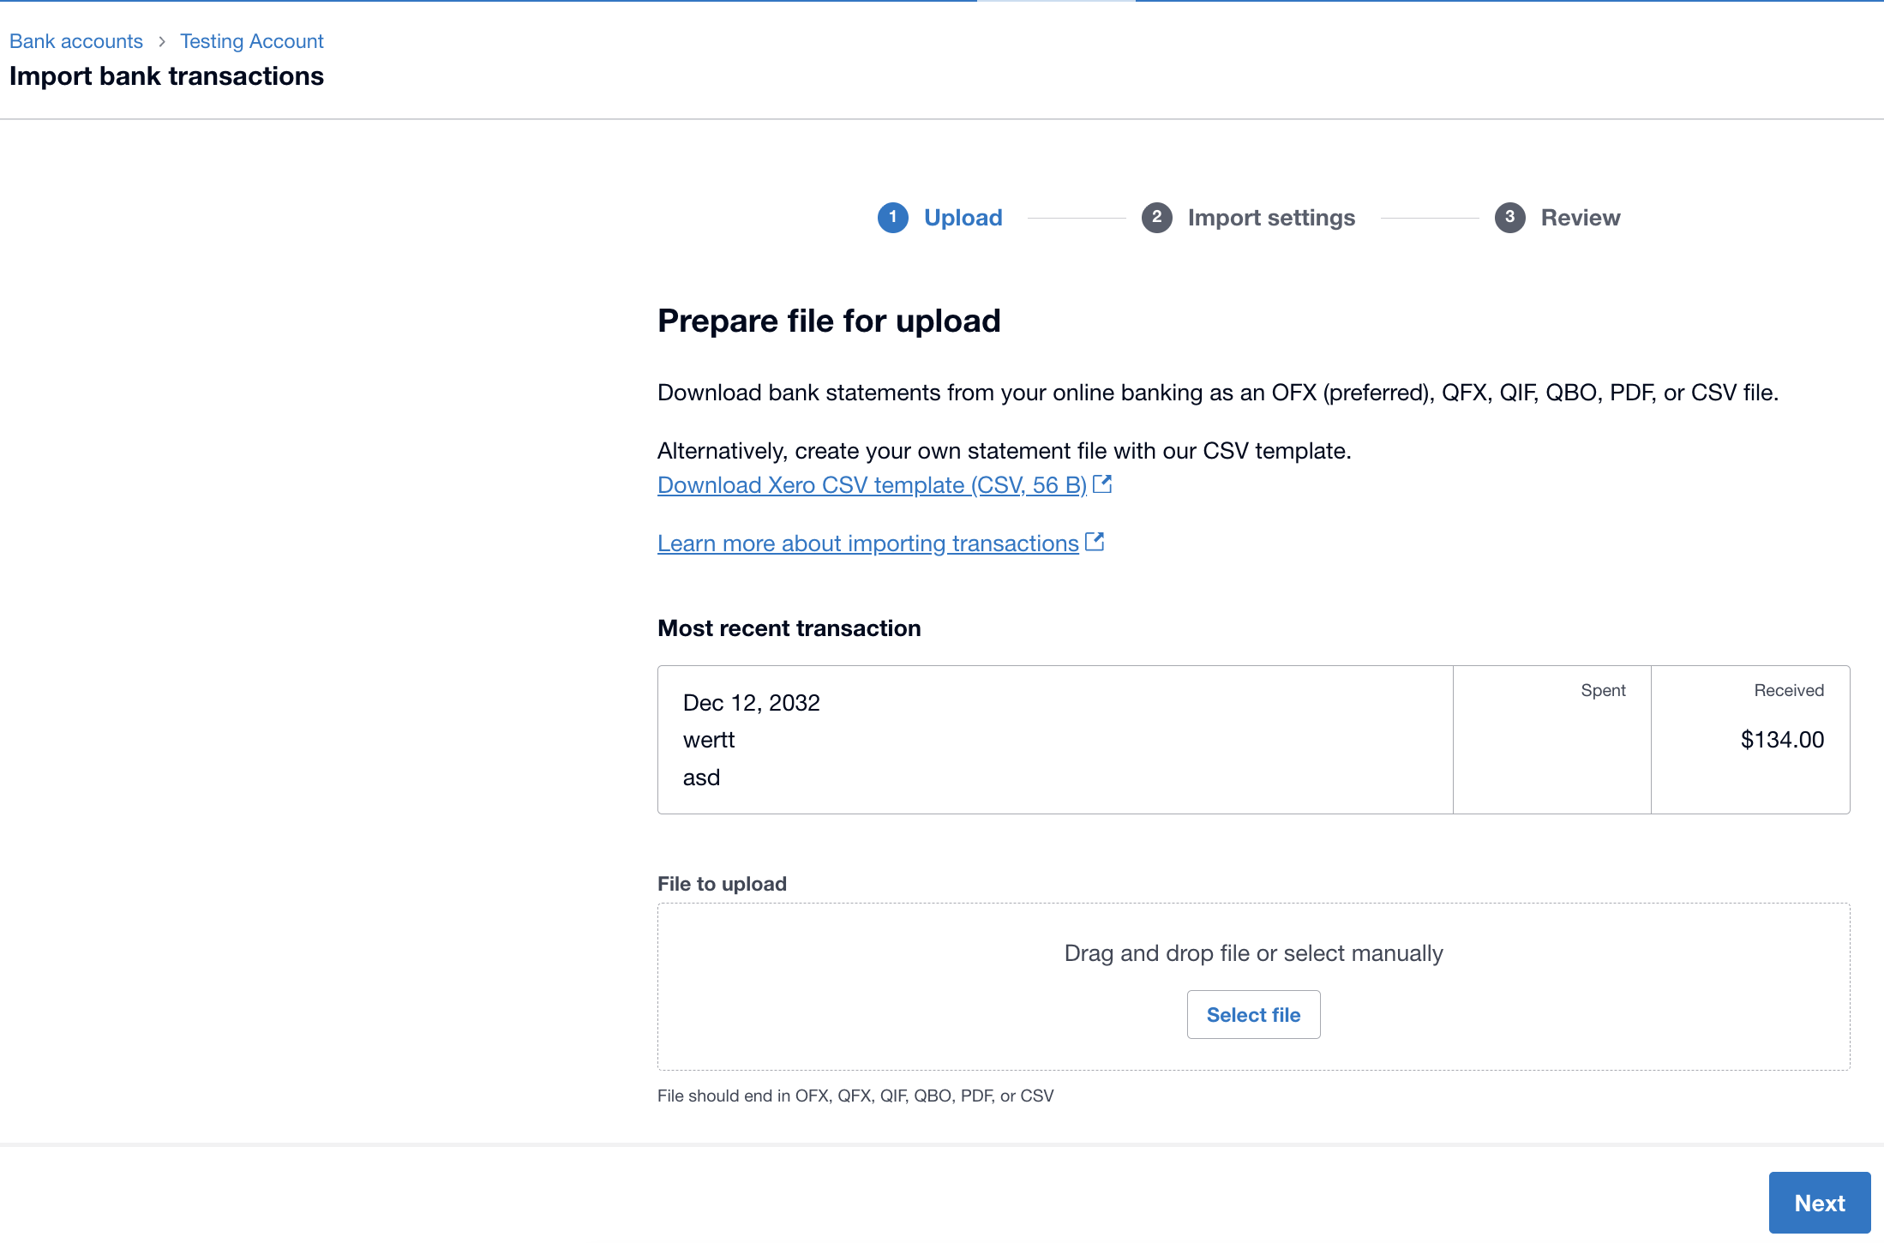

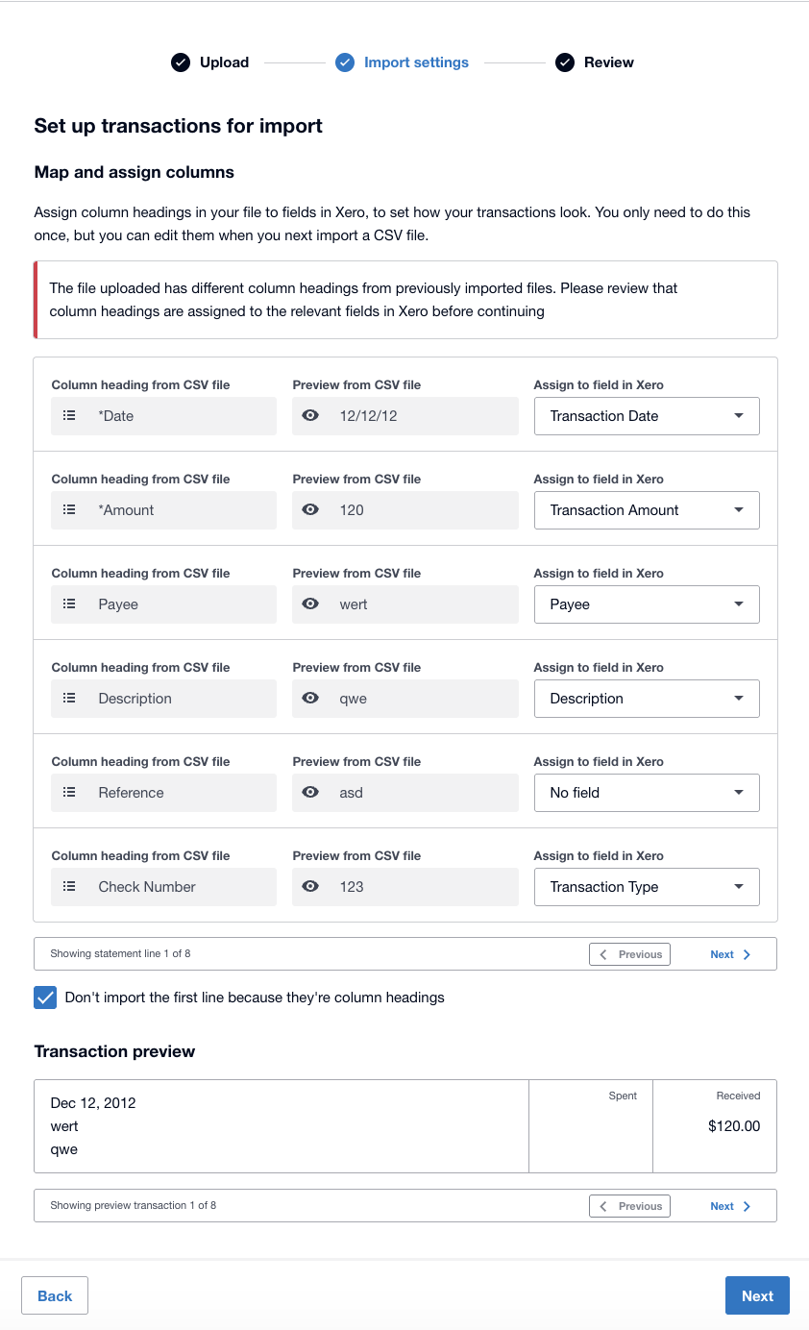

Test Case 6
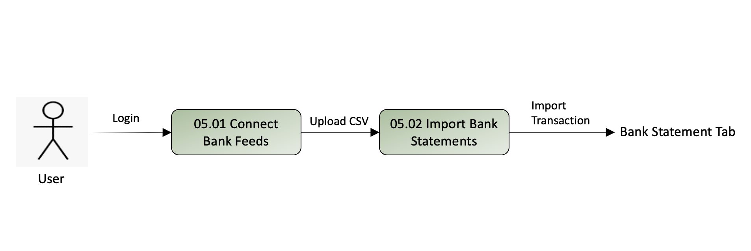
TC Title: | TC6. Historical data import (DF-In)

TC Objective: | Verify that the system accepts transactions from past years and updates the balance correctly.

Test Data (optional): | a CSV with transactions dated 12 months ago.

TC Description
 | Step | Step Description | Expected Results
 | 1 | Upload the historical CSV file. | File is accepted.
 | 2 | Map columns and click Import. | System indicates import successful
 | 3 | Navigate to the Bank Statements tab. | The old transactions are visible in the list, sorted by date.
 | 4 | Check the Statement Balance. | The Statement Balance is updated to reflect the imported amounts

